Sheet3
You are constructing a portfolio with 2 securities as under

 | Security | Rtn | Risk
 | A | 24% | 16%
 | B | 18% | 9%

 |  | R | 0.25

If you have earned 10 lacs and have invested Rs 6.5 Lacs in A and the balance in B

a) Estimate portfolio risk and rtn
b) Execute a sensitivity test between R and portfolio risk (r ranging from 1 to -1 step val 0.1)

a)

 | Security | A | B |  | A | 650,000
 | Rtn | 24% | 18% |  | B | 350,000
 | Risk | 16% | 9%
 |  |  |  |  | W(A) | 0.35999998754
 |  |  |  |  | W(B) | 0.64000000676

 |  |  |  |  |  | 0.9999999943

 |  | A | B | Portfolio
 | Rtn | 24% | 18% | 21%
 | Risk | 16% | 9% | 0.091073595518

b)

 | r | risk
 | -1 | 2.4640479228E-09
 | -0.9 | 0.025759502791
 | -0.8 | 0.036429438207
 | -0.7 | 0.044616767612
 | -0.6 | 0.051519005582
 | -0.5 | 0.057599999307
 | -0.4 | 0.063097637866
 | -0.3 | 0.068153238282
 | -0.2 | 0.072858876414
 | -0.1 | 0.077278508373
 | 0 | 0.081458700213
 | 0.1 | 0.085434605544
 | 0.2 | 0.089233535224
 | 0.3 | 0.092877208144
 | 0.4 | 0.096383233898
 | 0.5 | 0.099766125316
 | 0.6 | 0.10303801116
 | 0.7 | 0.10620915087
 | 0.8 | 0.10928831462
 | 0.9 | 0.1122830695
 | 1 | 0.11519999861

Sheet4
You are constructing a portfolio with 2 securities as under

 | Security | Rtn | Risk
 | A | 24% | 16%
 | B | 18% | 9%

 |  | R | 0.25

If you have earned 10 lacs and have invested Rs 6.5 Lacs in A and the balance in B

a) Estimate portfolio risk and rtn
b) Execute a sensitivity test between R and portfolio risk (r ranging from 1 to -1 step val 0.1)

a)

 | Security | A | B |  | A | 650,000
 | Rtn | 24% | 18% |  | B | 350,000
 | Risk | 16% | 9%
 |  |  |  |  | W(A) | 0.16981132735
 |  |  |  |  | W(B) | 0.8301886716

 |  |  |  |  |  | 0.99999999896

 |  | A | B | Portfolio
 | Rtn | 24% | 18% | 21%
 | Risk | 16% | 9% | 0.085649571168

b)

 | risk
-1 | 2.4640479228E-09
-0.9 | 0.025759502791
-0.8 | 0.036429438207
-0.7 | 0.044616767612
-0.6 | 0.051519005582
-0.5 | 0.057599999307
-0.4 | 0.063097637866
-0.3 | 0.068153238282
-0.2 | 0.072858876414
-0.1 | 0.077278508373
0 | 0.081458700213
0.1 | 0.085434605544
0.2 | 0.089233535224
0.3 | 0.092877208144
0.4 | 0.096383233898
0.5 | 0.099766125316
0.6 | 0.10303801116
0.7 | 0.10620915087
0.8 | 0.10928831462
0.9 | 0.1122830695
1 | 0.11519999861
 | r | risk
 | -1 | 0.047547168067
 | -0.9 | 0.051640511803
 | -0.8 | 0.055432406833
 | -0.7 | 0.058981022331
 | -0.6 | 0.062327925228
 | -0.5 | 0.065504042099
 | -0.4 | 0.068533121914
 | -0.3 | 0.071433871989
 | -0.2 | 0.074221340161
 | -0.1 | 0.076907844875
 | 0 | 0.07950362175
 | 0.1 | 0.082017285613
 | 0.2 | 0.084456168557
 | 0.3 | 0.086826572403
 | 0.4 | 0.089133960662
 | 0.5 | 0.091383106816
 | 0.6 | 0.093578210494
 | 0.7 | 0.095722989649
 | 0.8 | 0.097820754522
 | 0.9 | 0.099874467625
 | 1 | 0.10188679282

 | 0.25 | 0.085649571168

Additional-discord-question
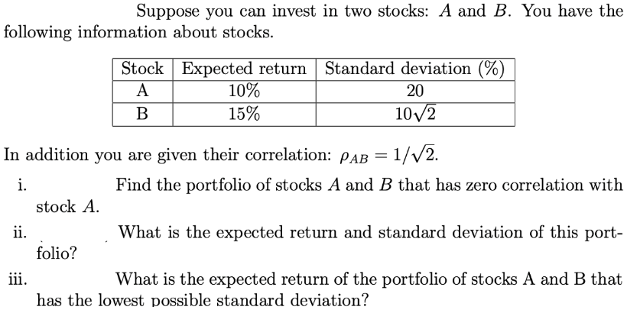
Q iii.

 | Stock | A | B | Portfolio |  | Portfolio
 | Expected Return | 10% | 15% | 15% | A | 0 |  | Image ->
 | Risk | 20% | 0.14142135624 | 14.14% | B | 1.0000000149

 |  |  | r | 0.70710678119 |  | 1.0000000149

Q i.

 | Stock | A | B | Portfolio |  | Portfolio
 | Expected Return | 10% | 15% | 13% | A | 0.7
 | Risk | 20% | 0.14142135624 | 14.63% | B | 0.3

 |  |  | Correl(A, B)

 |  |  |  |  |  |  | Sharpe's ratio

 |  |  |  |  |  |  | Portfolio optimisation

Sheet5
Assume you have a portfolio of 2 stocks, A & B. A has an annual return of 24% and a std dev of 16%
B has an annual return of 15% and a std dev of 24%. Your investment values in A & B are Rs 6,75,000 and Rs 3,25,000 respectively
Addendum: Also do a sensitivity analysis

Calculate

a) Portfolio Return |  |  |  |  |  |  |  | 1000
b) Portfolio Risk

 |  | Security | Rtn | Risk |  |  | Portfolio
 |  | A | 24% | 16% |  | A | 0.675
 |  | B | 15% | 24% |  | B | 0.325
 |  |  |  |  |  | Sum | 1

 |  |  | r | -0.25

a) and b)

given r, given weights

 | Security | A | B | Portfolio |  |  | Portfolio
 | Rtn | 24% | 15% | 0.21075 |  | A | 0.675
 | Risk | 16% | 24% | 0.11634431658 |  | B | 0.325
 |  |  |  |  |  | Sum | 1

all r, given weights

 | r | risk
 | -1 | 0.03
 | -0.9 | 0.050840928394
 | -0.8 | 0.065342176272
 | -0.7 | 0.077164758796
 | -0.6 | 0.087402517126
 | -0.5 | 0.096560861637
 | -0.4 | 0.10492282878
 | -0.3 | 0.11266587771
 | -0.2 | 0.11990996622
 | -0.1 | 0.12674068013
 | 0 | 0.13322161987
 | 0.1 | 0.13940157818
 | 0.2 | 0.14531895953
 | 0.3 | 0.15100463569
 | 0.4 | 0.15648386498
 | 0.5 | 0.16177762515
 | 0.6 | 0.16690356497
 | 0.7 | 0.17187669999
 | 0.8 | 0.17670993181
 | 0.9 | 0.18141444264
 | 1 | 0.186

given r, min risk

 | Security | A | B | Portfolio |  |  | Portfolio
 | Rtn | 24% | 15% | 0.20906250086 |  | A | 0.65625000782
 | Risk | 16% | 24% | 0.1161895005 |  | B | 0.3437499932
 |  |  |  |  |  | Sum | 1.000000001

 |  |  | r | -0.25

all r, min risk

 | r | risk
 | -1 | 0.022500002884
 | -0.9 | 0.047315432114
 | -0.8 | 0.063017855426
 | -0.7 | 0.075523175839
 | -0.6 | 0.086233694547
 | -0.5 | 0.095753590333
 | -0.4 | 0.10440905156
 | -0.3 | 0.11239995567
 | -0.2 | 0.11985929259
 | -0.1 | 0.12688084965
 | 0 | 0.13353370359
 | 0.1 | 0.13987047573
 | 0.2 | 0.14593234722
 | 0.3 | 0.15175226507
 | 0.4 | 0.15735707782
 | 0.5 | 0.16276900788
 | 0.6 | 0.16800669603
 | 0.7 | 0.17308596101
 | 0.8 | 0.17802036368
 | 0.9 | 0.18282163403
 | 1 | 0.18749999962

 | wa | wb | risk
Base | 0.675 | 0.325 | 0.11634431658
 | 0 | 1 | 0.24
 | 0.1 | 0.9 | 0.21256528409
 | 0.2 | 0.8 | 0.18659046064
 | 0.3 | 0.7 | 0.1627759196
 | 0.4 | 0.6 | 0.14221111068
 | 0.5 | 0.5 | 0.12649110641
 | 0.6 | 0.4 | 0.11757550765
 | 0.7 | 0.3 | 0.11702991071
 | 0.8 | 0.2 | 0.12496399481
 | 0.9 | 0.1 | 0.13994284548
 | 1 | 0 | 0.16

 | Can the risk be 0

 | Set r to -1, minimise risk

 | Security | A | B | Portfolio |  |  | Portfolio
 | Rtn | 24% | 15% | 0.20400000094 |  | A | 0.60000001176
 | Risk | 16% | 24% | 4.9280958456E-09 |  | B | 0.39999998747
 |  |  |  |  |  | Sum | 0.99999999924

 |  |  | r | -1

 |  |  | wa | wb | risk
 |  |  | 0.675 | 0.325 | 0.03
 |  |  | 0 | 1 | 0.24
 |  |  | 0.1 | 0.9 | 0.2
 |  |  | 0.2 | 0.8 | 0.16
 |  |  | 0.3 | 0.7 | 0.12
 |  |  | 0.4 | 0.6 | 0.08
 |  |  | 0.5 | 0.5 | 0.04
 |  |  | 0.6 | 0.4 | 0
 |  |  | 0.7 | 0.3 | 0.04
 |  |  | 0.8 | 0.2 | 0.08
 |  |  | 0.9 | 0.1 | 0.12
 |  |  | 1 | 0 | 0.16

